Wrist sizes - from various srcs
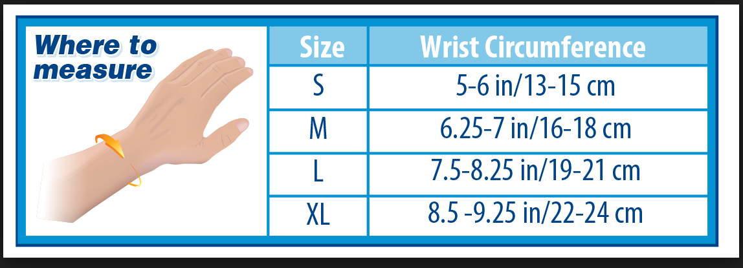
 | inches | cm
Extra Small | 5.0 - 5.5 | 12.7 - 14.0
Small | 5.5 - 6.0 | 14.0 - 15.2
Medium | 6.0 - 6.5 | 15.2 - 16.5
Large | 6.5 - 7.0 | 16.5 - 17.8
Extra Large | 7.0 - 7.5 | 17.8 - 19.0

examples from patterns where wrists have pattern repeats
Small | Medium | Large | 1XL | 2XL
8.5 | 8.5 | 9.75 | 10 | N/A | snug looking
8 | 8 | 8 | 9.5 | 9.5 | snug looking
10 | 10 | 10 | 11.5 | 11.5 | loose fitting
9.5 | 9.5 | 9.5 | 9.5 | 11 | snug looking
9 | 9 | 9 | 9.75 | 9.75 | snug looking
10 | 10 | 10 | 10 | 10 | medium loose fitting
9 | 9 | 10 | 10 |  | snug looking

